Weight-loss data, kg
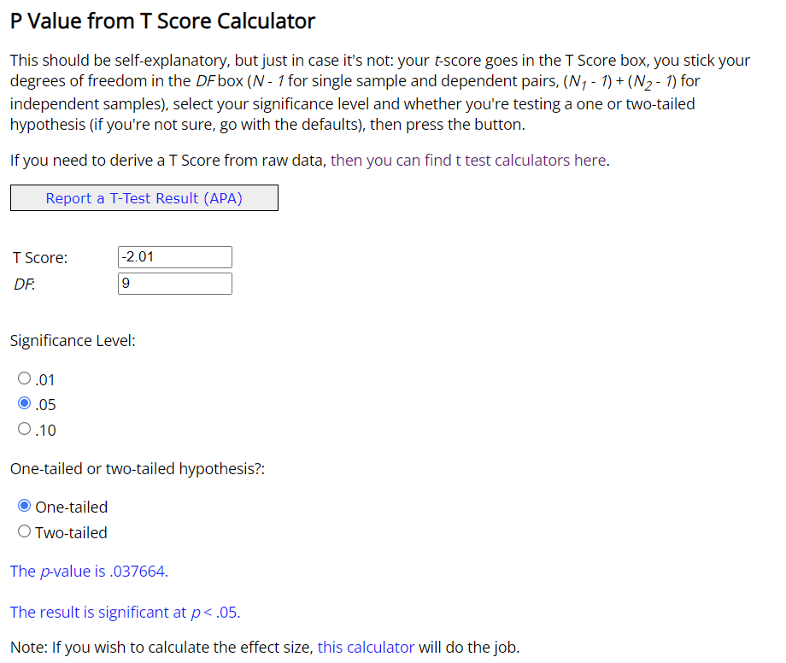
Test the mean. Dependent Samples
Weight-loss program, kg

Background | Some guy on the internet designed a weight-loss program. You are wondering if it is working. You are given a sample of some people who did the program. You can find the data in kg if you prefer working with kg as a unit of measurement.
Task 1 | Calculate the difference between before and after
Task 2 | State the null hypothesis.
Task 3 | Calculate the appropriate statistic
Task 4 | Decide if this is a one-sided or a two-sided test. Calculate the p-value of this statistic
Task 5 | Based on the p-value, decide at 1%,5% and 10% significance, if the program is working. Comment using the appropriate statistical jargon.

Before (kg) | After (kg) | Difference | Sample mean | -1.14
103.68 | 103.67 | -0.01 | Standard deviation | 1.79
110.68 | 108.38 | -2.30 | Standard error | 0.57
119.05 | 115.95 | -3.10
101.75 | 101.70 | -0.05 | T-score | -2.01
91.69 | 90.59 | -1.10 | p-value | 0.038
112.03 | 112.70 | 0.67
88.84 | 87.36 | -1.48
105.18 | 103.80 | -1.38 | NULL Hypothesis (status quo) (aim to reject the NULL hypothesis)
110.37 | 106.07 | -4.30 | The population mean before is greater than or equal to the population mean after
120.99 | 122.65 | 1.66 | i.e. the weight loss program is not working (the difference between the two populations is 0 or greater)

 |  |  | Alternative Hypothesis
 |  |  | The population mean before is lower than the one after
Decision rule: |  |  | i.e. the difference between the two populations is less than 0
Accept if p-value > alpha
Reject if p-value < alpha |  |  | p-value | significance | decision | comment
 |  |  | 0.038 | 0.01 | accept null hypothesis | 1% sigificance level means there is a 99% chance the the program does not result in weight loss
 |  |  | 0.038 | 0.05 | reject null hypothesis | 5% sigificance level means there is a 95% chance the the program does result in weight loss
 |  |  | 0.038 | 0.10 | reject null hypothesis | 10% sigificance level means there is a 90% chance the the program does in weight loss

